Sheet1
 | Document No. |  | Issue No. | Issue Date |  |  | Review and Replace Date |  | Authorised By
 | GFF143MC |  | 1 | 06.12.2019 |  |  | New Issue |  | Magda Shah
 | Document Title |  | MINT RAITA POT 40G
Document amendments reason for change | New document created |  |  |  | Page 1 of 1 |  | Previous Issue Date | New Issue | Uncontrolled copy unless signed original

CMRDIP-B24PEB |  | BOOTHS |  | MINT RAITA 40g
STEP 1 |  |  |  |  |  | STEP 2
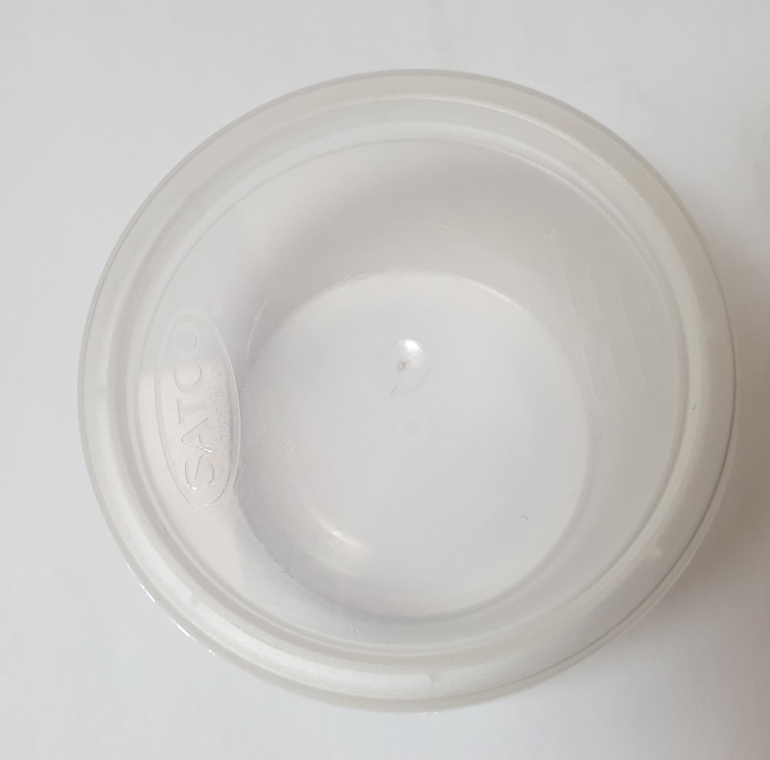 |  |  |  |  |  | 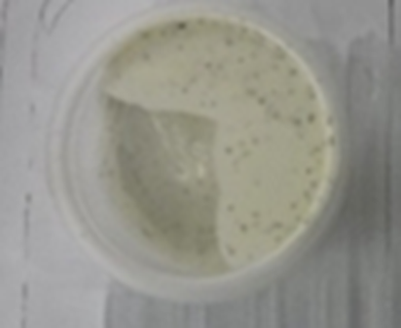

PORTIONING DAY + 25 DAYS

Tray: Satco 2oz Pots with Lids (PKJEN001-03) |  |  |  |  |  | HEERA MINT RAITA 40g (RMP&B001-01) |  |  | Total Weight: 40g

ALLERGY ALERT: MILK, EGG

